Comparision of 3 methods
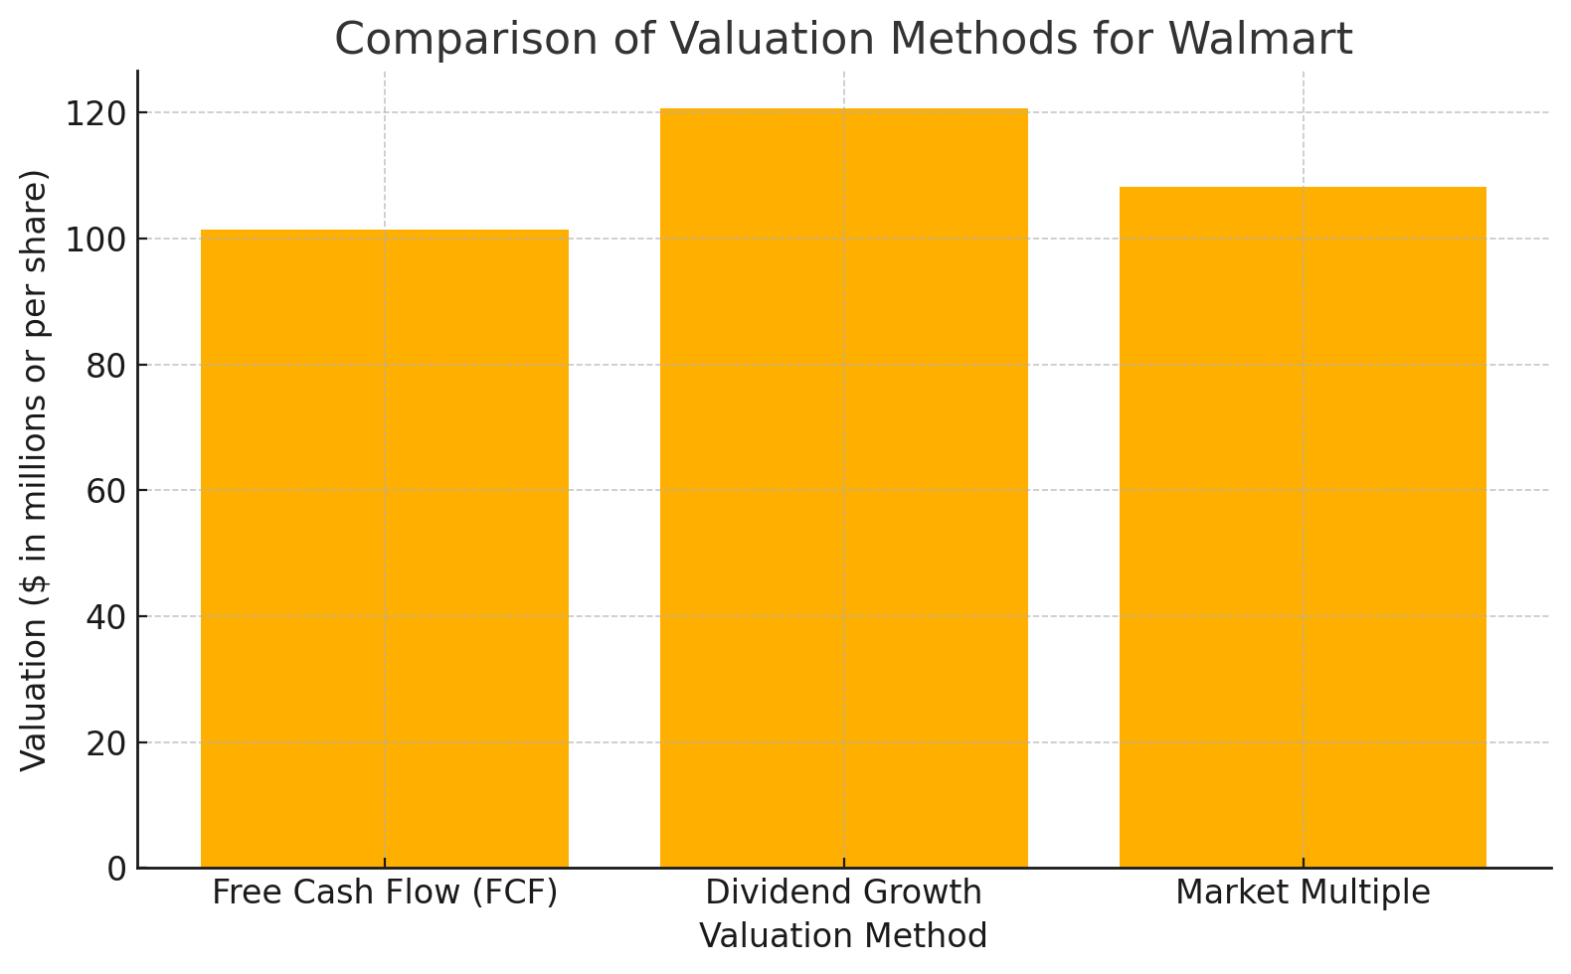
Comparison of Three Results With Respect to the current Market Valuation
Valuation Method
Free Cash Flow (FCF) Valuation Model | Walmart: Applying the FCF model, if we consider Walmart's total revenues of $648.125 billion and assume 2.85 billion shares outstanding, the estimated intrinsic value per share would be approximately $227.41.​
 | Target: With Target's total revenues at $107.412 billion and 460 million shares outstanding, the intrinsic value per share would be around $233.50.
Dividend Growth Model | Walmart: Given Walmart's consistent dividend payouts and growth, this model would likely suggest a valuation higher than the current market price, though specific figures would depend on the dividend growth rate and required rate of return.​
 | Target: Target's higher growth rate and less predictable dividend pattern make this model less reliable for valuation.
Market Multiple Method | Walmart: Using industry average price-to-earnings (P/E) ratios, this method might yield a valuation close to or slightly above the current market price, depending on Walmart's earnings.​
 | Target: Similarly, applying market multiples could result in a valuation near the current trading price, reflecting market sentiment.

Current Market Values (as of April 9, 2025):

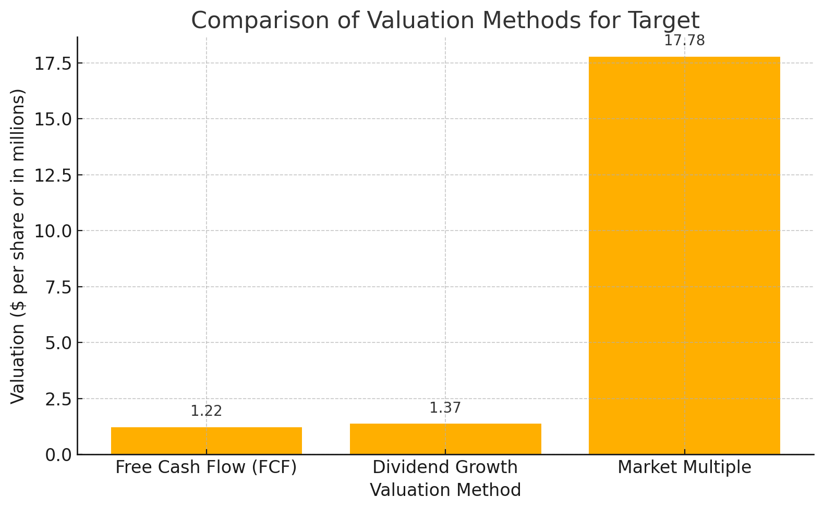
Walmart (WMT) : Closed at $89.60 per share.
Target (TGT): Closed at $97.69 per share.

